3.2
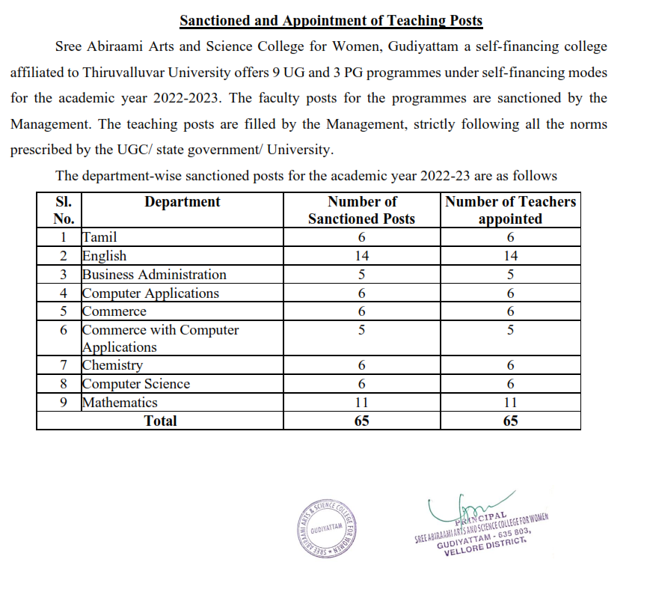
3.2 Number of Sanctioned posts during the year
year | Number of sanctioned posts year | Upload supporting document
2022-2023 | 65 | Paste links of the uploaded documents

