2.2
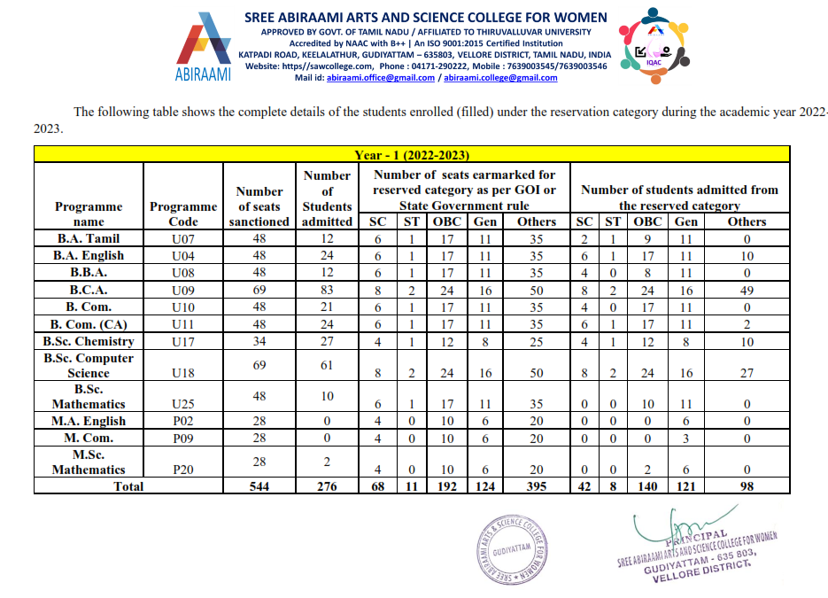
2.2 Number of seats earmarked for reserved category as per GOI/ State Govt. rule during the year
Upload supporting document**
Year | Number of seats earmarked for reserved category as per GOI/ State Govt rule | Upload supporting document
2022-2023 | 544 | https://sawcollege.com/pdf/Sree%20Abiraami%20Admission%20-%20Rules%20of%20Reservation.pdf

